TEDB Edition 40
In 2019, the United States and Russia were by far the top natural gas producing countries with nearly triple that of any other country. Although the United States produced more than Russia, Russia has 3.6 times more reserves.

Figure 2.5. Natural Gas Production and Reserves for the Top Ten Natural Gas Producing Countries, 2019
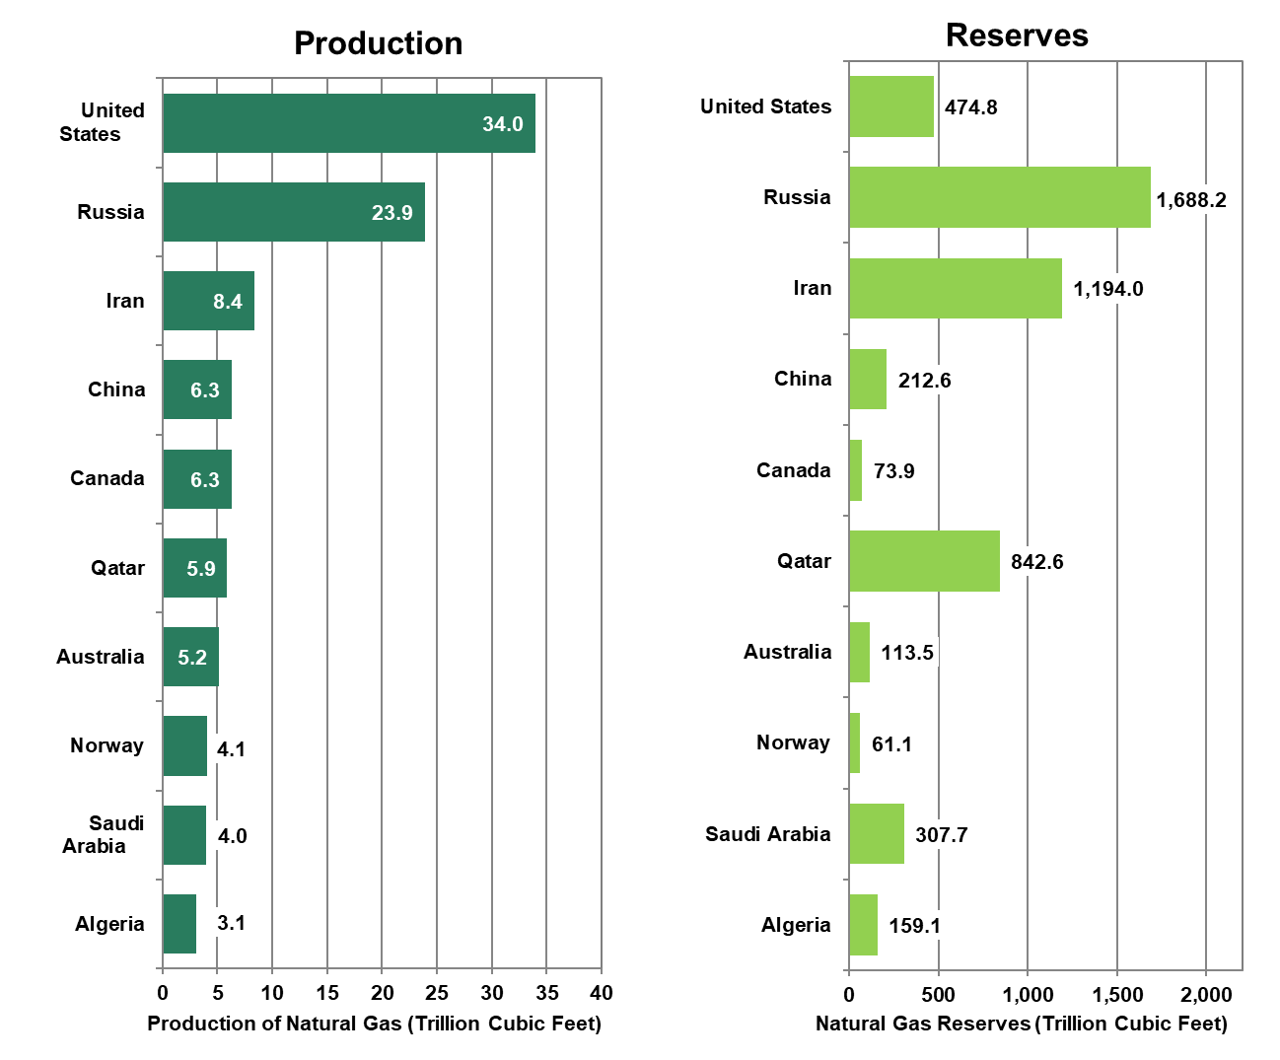

 | Natural Gas | Natural Gas
 | Production | Reserves
 | (Trillion Cubic Feet)
Algeria | 3.1 | 159.1
Saudi Arabia | 4.0 | 307.7
Norway | 4.1 | 61.1
Australia | 5.2 | 113.5
Qatar | 5.9 | 842.6
Canada | 6.3 | 73.9
China | 6.3 | 212.6
Iran | 8.4 | 1,194.0
Russia | 23.9 | 1,688.2
United States | 34.0 | 474.8

Source: Energy Information Administration, International Energy Statistics, September 2021. (Additional resources: www.eia.doe.gov)

